Driver
func/component | LCD(wiringpi lib) | LED(GPIO_21) | BUZZER(GPIO_20) | BUTTON(GPIO_16) | CAMERA (python interface)
func_trunon(read) | read("lcd",word,strlen(word)) | read("led","ret_buf","ret_size") | read("buz","ret_buf","ret_size") | read("btn","ret_buf","ret_size") | read("cam","ret_buf","ret_size")
func_trunon(write) | write("lcd",word,strlen(word)) | write("led",1,1) | write("buz",1,1) | write("btn",1,1) | write("cam",1,1)
func_trunoff(read) | read("lcd","",strlen("")) | read("led","ret_buf","ret_size",) | read("buz","ret_buf","ret_size") | read("btn","ret_buf","ret_size") | read("cam","ret_buf","ret_size")
func_trunoff(write) | write("lcd","",strlen("")) | write("led",0,1) | write("buz",0,1) | write("btn",0,1) | write("cam",0,1)
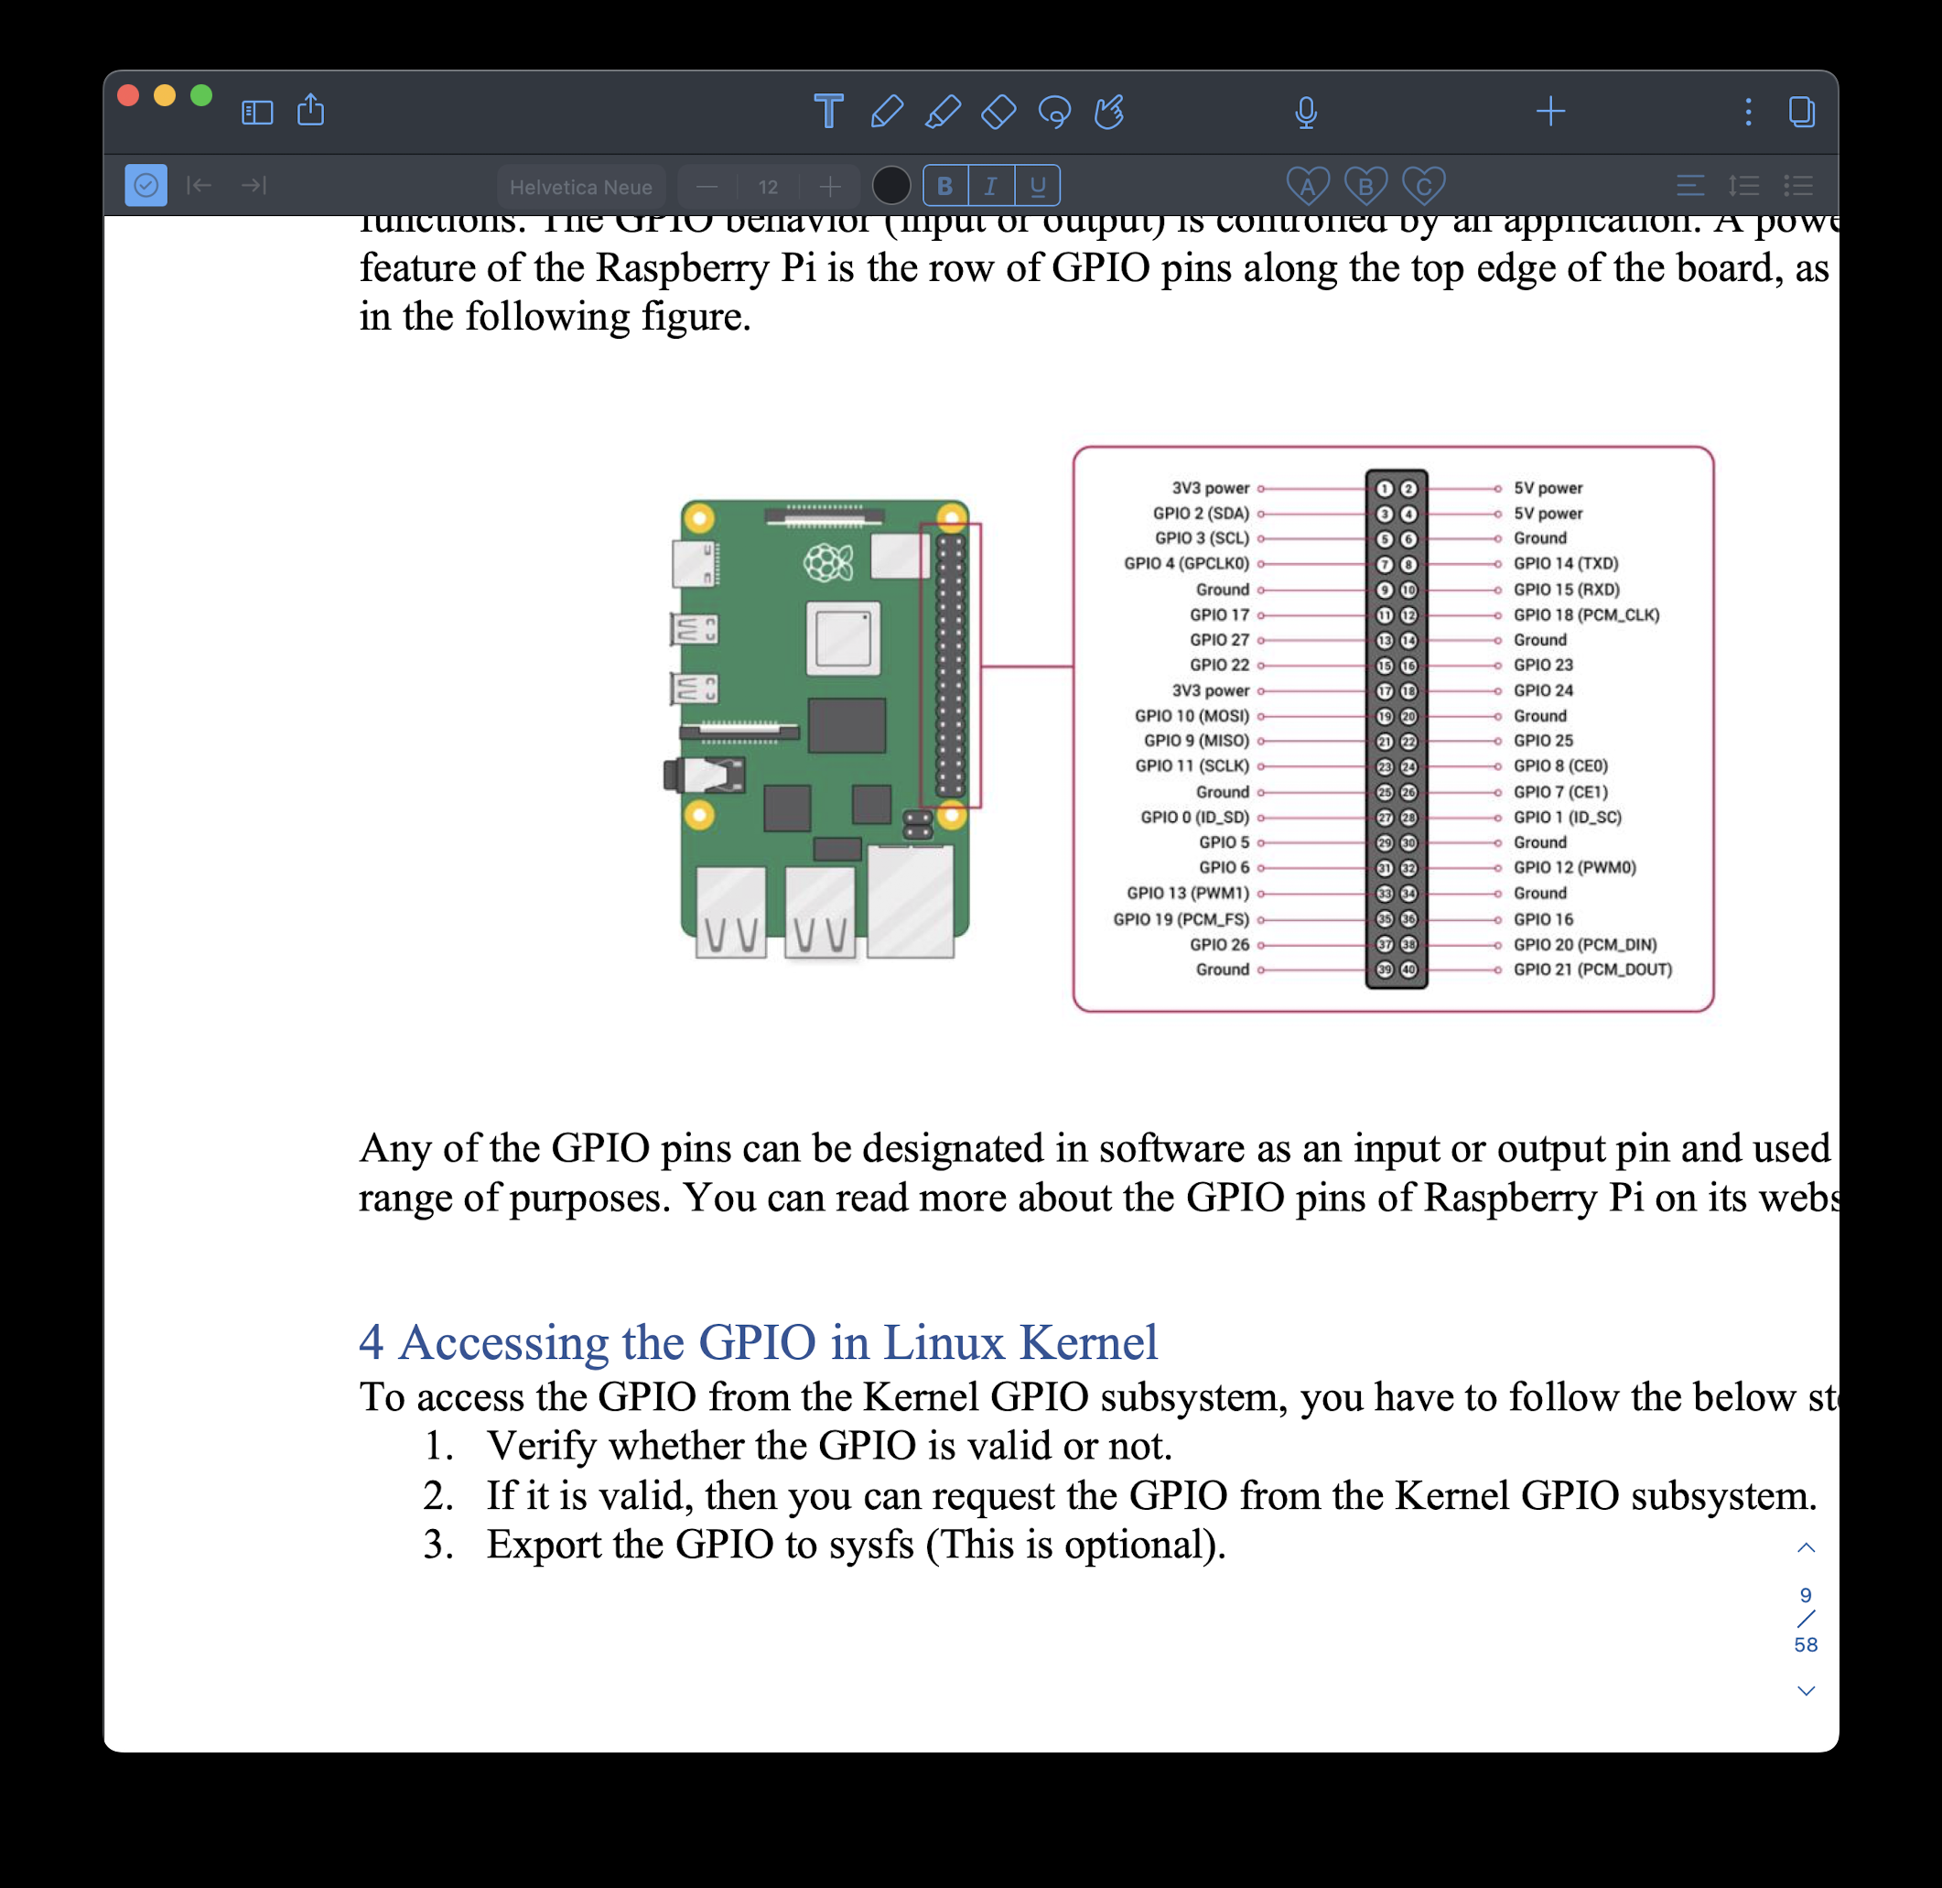

 | char buf or word

